Guides
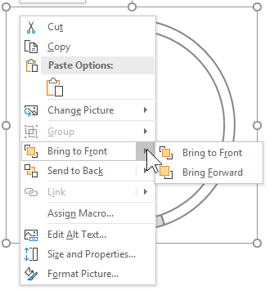
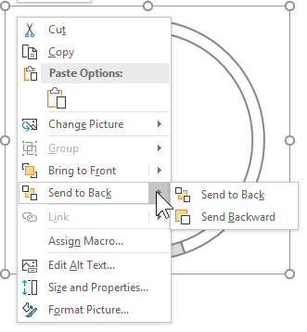
"Hi,
The Create And Learn - Dashboard Wireframe (beta version), was created to help readers and students to easily plan their dashboard design.
To start using it, click on the item located in the left menu of the tab Wireframe - CreateAndLearn.net, and drag the object to start planning your dashboard.
I hope you enjoy this as much as I do.
Thank you for creating and learning.
Have fun!"
Roger F. Silva
creatandlearn.net
Dashboard Design Example:
User agreements:


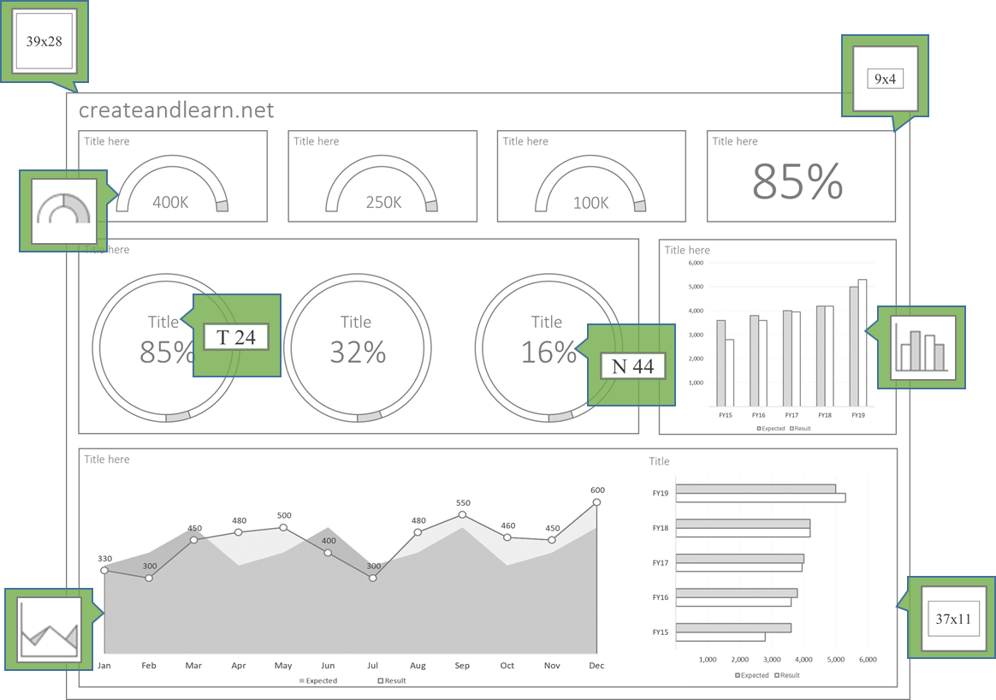
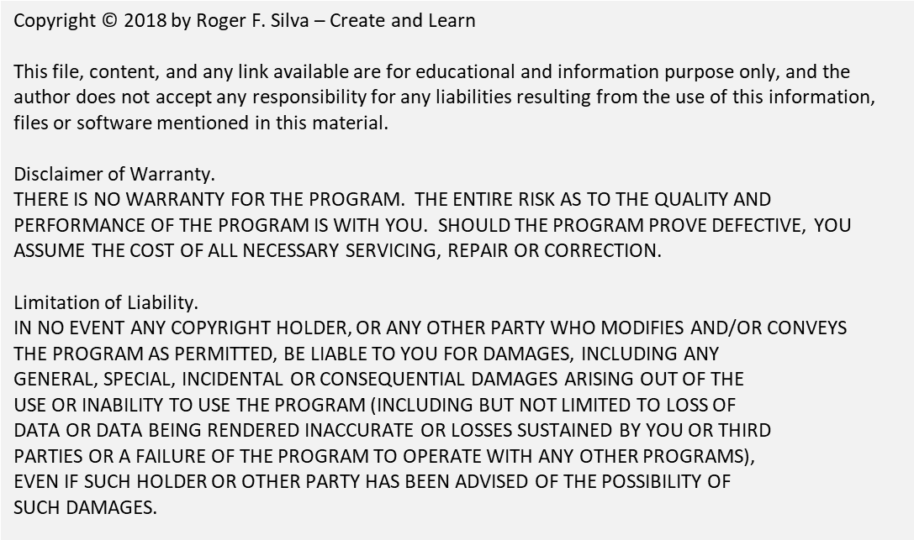

Menu bar details:

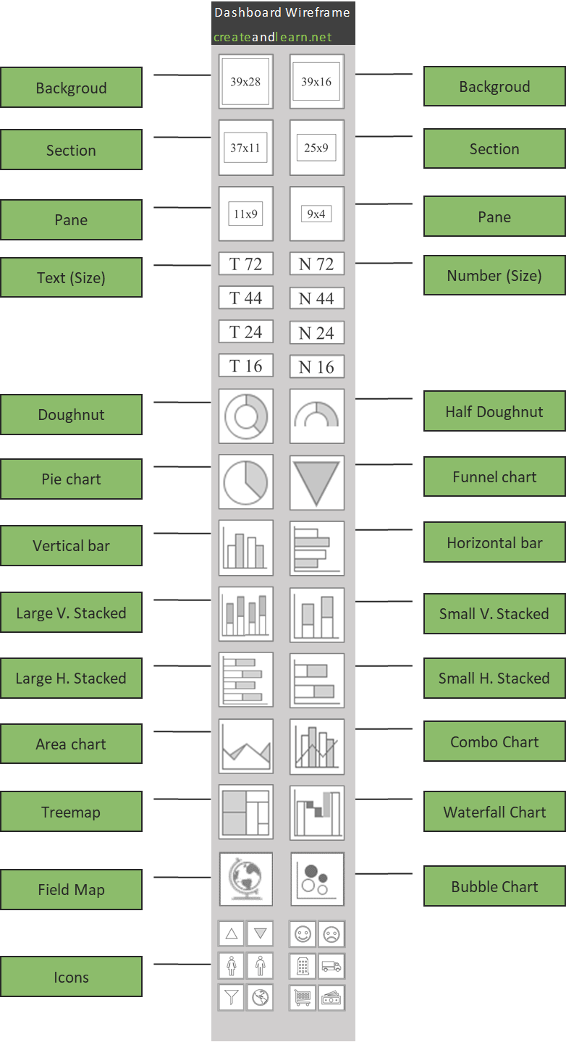
Changing Macro Security:
Videos

To Change the Macro Secutiry, go to Developer tab, and click on Macro Security.
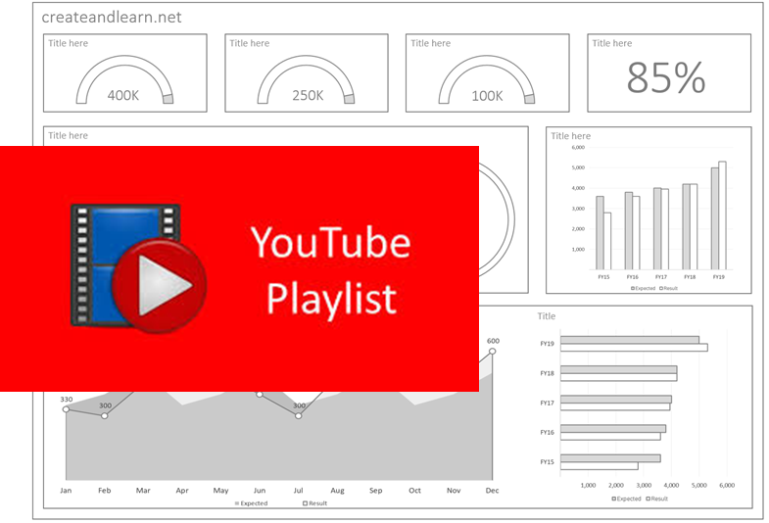

Move an object forward or backward

To bring an object to the front of the stack, right-click the object and click Bring to Front. To send an object to the back of the stack, click Send to Back. To bring an object one step closer to the front, click Bring Forward. To send an object one step toward the back, click Send Backward.

Example
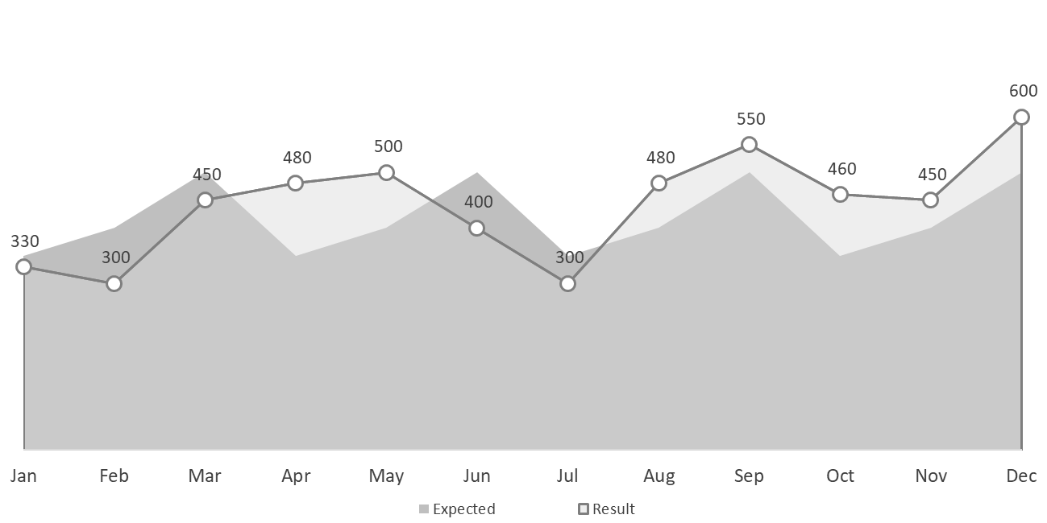
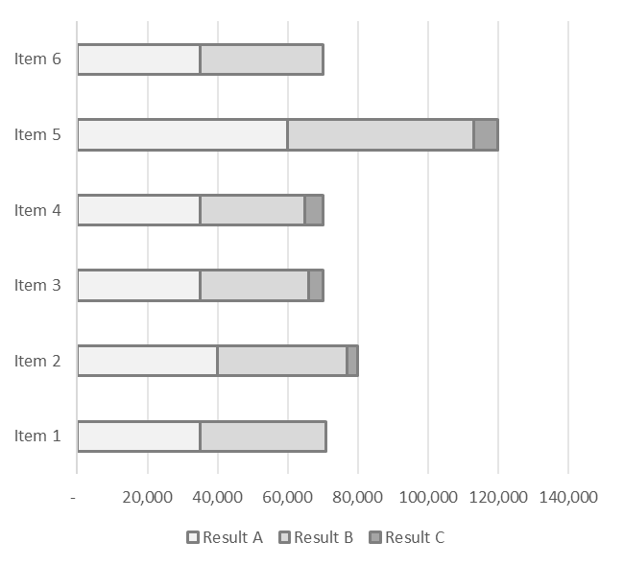
createandlearn.net

Bank
Due from customers
Due to vendors
Net Margin
685k
80k
75k
29%

Summary | $K
Historical Results
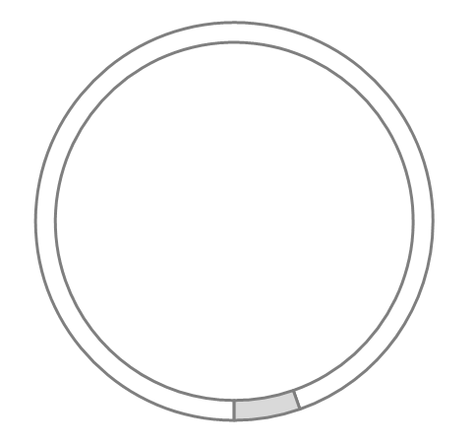
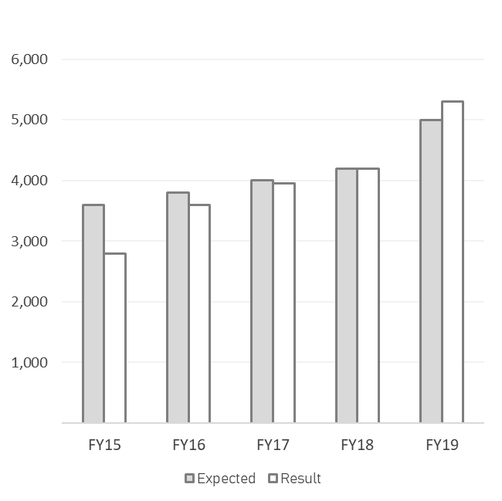

Revenue
Cost
Gross Profit

4,100
720
3,380

Monthly Results | $K

Learn at createandlearn.net
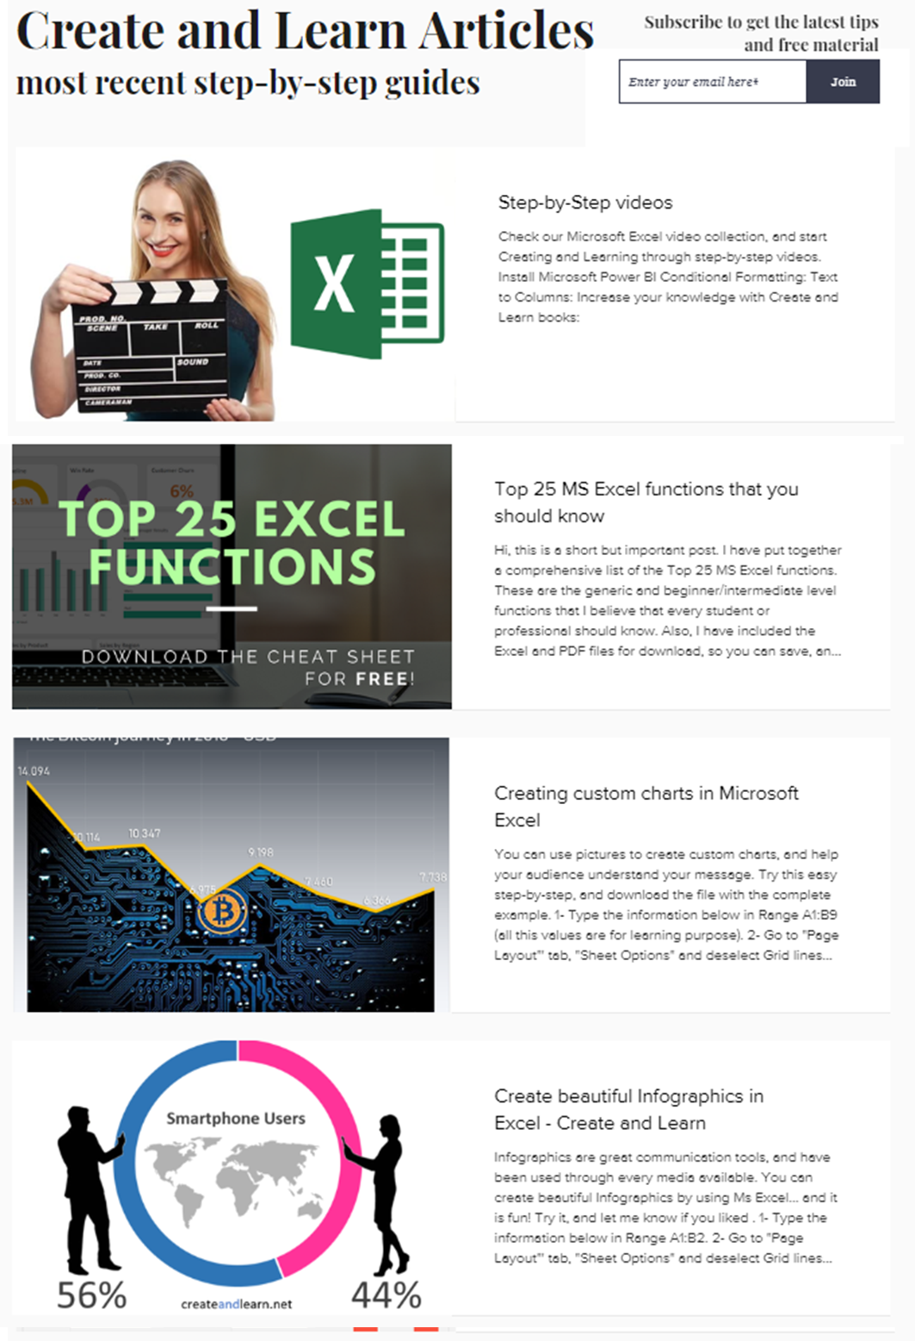
"Hi,
If you want to learn more. I have created a wide range of Articles, Training Courses, and Books that will help you to create great data presentations and analysis.
Have fun!"
Roger F. Silva
creatandlearn.net

Create and Learn Books:

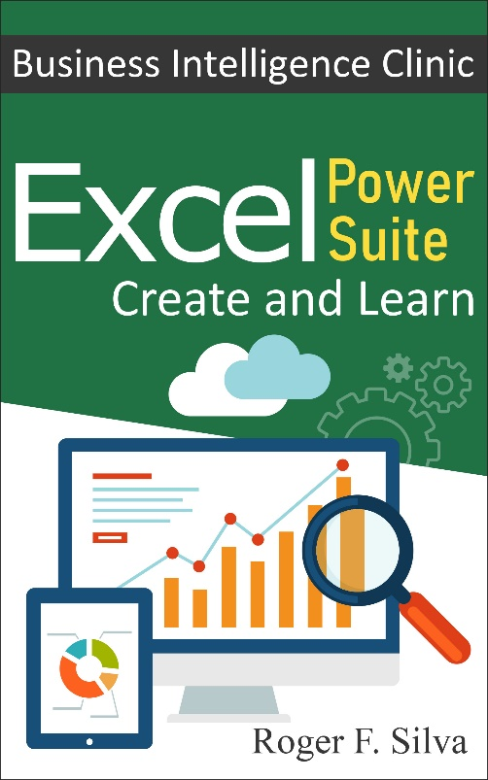

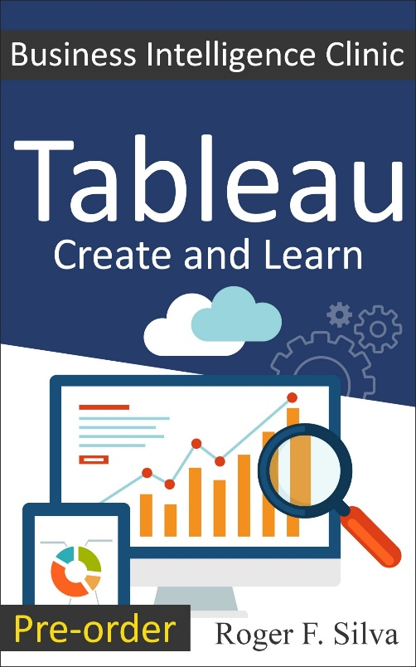
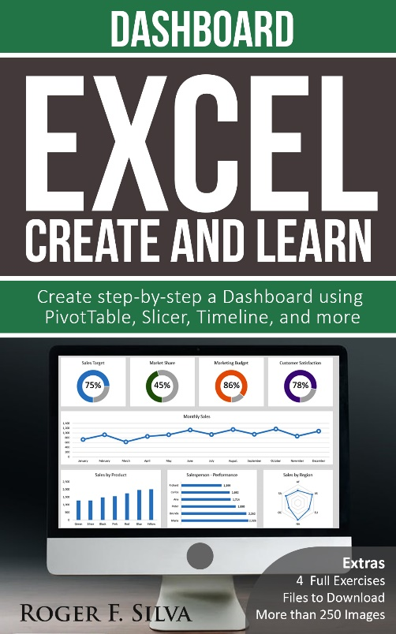
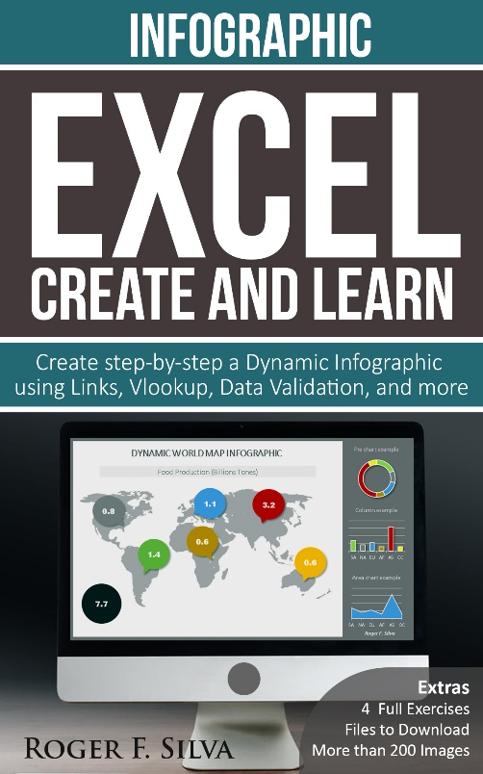

Create and Learn Training Courses:



Create and Learn Store and Downloads



Create and Learn Articles:

Feedback
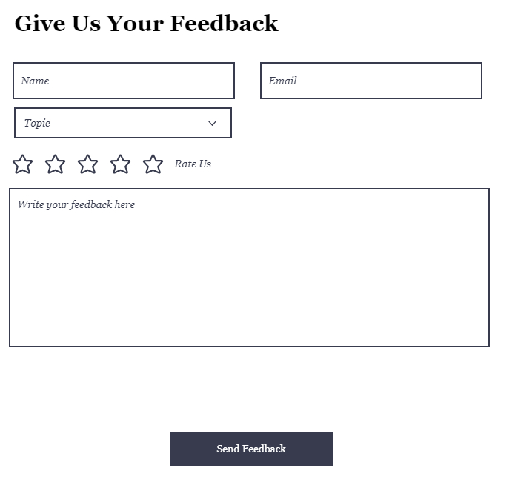
If you have any suggestions or feedback on this tool,
please drop us a line:
https://www.createandlearn.net/feedback

